Project Appendix (A,B,C & D Mea
Appendix - 2022 CO BoS CoC Renewal Project Ranking Tool

Calculation of Measure A (From the APR) "Percentage of Participants Who Either Stayed in the Program or Exited to Other Permanent Housing.": |  |  | Calculate Measure A Here!
A1 | Question 5a in the APR identifies the total # of persons served in the project. A1= The "Total Number of Persons Served" Field. |  | Enter A1 Here:
A2 | Question 5a in the APR will identify the number of people that stayed in the program. A2 =Total from the "Number of Stayers" Field |  | Enter A2 Here:
A3 | Question 23c in the APR identifies the # of people that exited to Permanent Destinations. C= The "Total" Column adjacent to the "Subtotal" Row under "Permanent Destinations" |  | Enter A3 Here:
A4 | Question 23c "Other Destinations", "Deceased" contains the number of people who have passed away while in the program. This will be added to the "Permanent Destinations" |  | Enter A4 Here:
 |  |  | A2, A3, A4 Total: | 0
 | Math: Percentage who either stayed or exited to permanent destinations = (A2+A3+A4)/A1, Multiply by 100 to get the percentage. |  | Total Percentage: | 0.00%
 |  |  | Answers should autofill in the corresponding Project.

Calculation of Measure B (From the APR) - Percentage of Adults who Increased or Maintained Income While in the Program. |  |  | Calculate Measure B Here!
B1 | Using the table below as taken from Q19a2 of the APR, the percentage of those that maintained or increased income = (B2 – B1)/B2 |  | Enter B1 Here:
 |  |  | Enter B2 Here:
 | Multiply by 100 to get percentage. |  | Total Percentage: | 0.00%
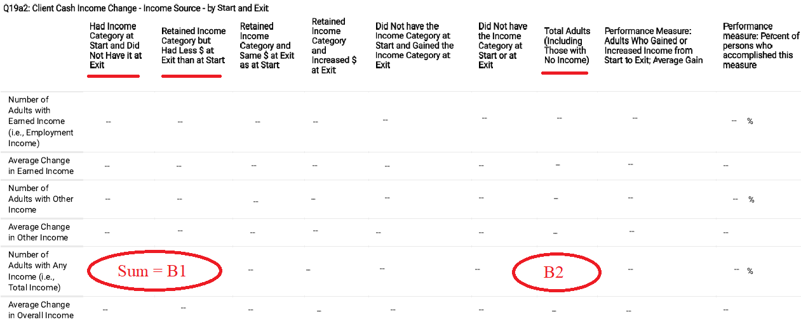
 |  |  | Answers will autofill in the corresponding Project.

Calculation of Measure C (From the APR) - "Unit Utilization Rate" |  | Calculate Measure C Here!
C1 | Using APR Q02. Bed and Unit Inventory and Utilization, go to "Units" and record the "Total" number under "As proposed in the Application" | C1 Total Units:
C2 | Using APR Q02. Bed and Unit Inventory and Utilization, go to "Units" and record the "Total" number under "As proposed in the Application". Record the numbers under January, April, July, and October below "Occupied AND Available for Occupancy As Completed in the APR by the Recipient" in the corresponding cells. | C2 January Here:
 |  | C2 April Here:
 |  | C2 July Here:
 |  | C2 October Here:
 |  | Total Percentage: |  | 0.00%
 |  | Answers will autofill in the corresponding Project. If there is some sort of error and the percentage is wrong, you may enter the correct percentage directly in to this cell. (Warning, doing so will remove the formula.)

Math: Divide each of the Months (C2) by the Total Units (C1) and multiply by 100 to get the percentage of each Month. Divide each Month's Percentage by 4 and add the resulting percentages together to get the "Total Percentage".

Calculation of Measure D (From APR) - "Percentage of Adults Exiting with Non-Cash Benefit Sources." |  |  | Calculate Measure D Here!
D1 | From APR Q20(b), record the number in "Total" adjecent to "Benefits at Exit for Leavers" to get D1. |  | Record D1 here:
D2 | From Q20(b), record the number in "1+ Source(s)" adjecent from "Benefit at Exit for Leavers" to get D2. |  | Record D2 here:
D3 | From Q23(c), "Exit Destination", record "Other Destinations" "Deceased" adjacent to "Total" to get D3. |  | Record D3 here:
 |  |  | Total Percentage: | 0.00%
 | Math: Percentage of Adults Exiting with Non-Cash Benefit Sources = D1+ D3 / D2, Multiple by 100 to get the percentage |  | Answers should autofill in the corresponding Project.
 | *Note, any program that has no "Leavers" should be given 100% directly in the Project Tab in Measure D, even though this calculation may show 0% if completed as directed.

Calculation for Measure E (From APR) - "Percentage of Adults Who Had Cash Income at Program Exit (Including Employment, Disability, etc.)" |  |  | Calculate Measure E Here!
E1 | From APR Q18, record the number of "Total Adults" adjacent to "Number of Adults at Exit (Leavers)" |  | Record E1 here: | 0
E2 | From APR Q18, record the number of "Adults with Only Earned Income (i.e. Employment Income)" adjacent to "Number of Adults at Exit (Leavers)" |  | Record E2 here: | 0
E3 | From APR Q18, record the number of "Adults with Only Other Income" adjacent to "Number of Adults at Exit (Leavers)" |  | Record E3 here: | 0
E4 | From APR Q18, record the number of "Adults with Both Earned and Other Income" adjacent to "Number of Adults at Exit (Leavers)" |  | Record E4 here: | 0
 | Math: Add together the sources of income (E2, E3, E4) to get the "subtotal". Divide the Subtotal by E1 and multiply by 100 to get the percentage of Adults Who Had Cash Income at Program Exit (Including Employment, Disability, etc.). |  | Subtotal: | 0
 |  |  | Total Percentage: | 0.00%

Calculations for Measure F (From APR) - "Returns to Homelessness" |  |  | Calculate Measure D Here!
F1 | From Q23(c), "Temporary Destinations", record Total # of "Emergency shelter, including hotel or motel paid for with emergency shelter voucher" |  | Record F1 here: | 0
F2 | From Q23(c), "Temporary Destinations", record Total # of "Place not meant for habitation (e.g., a vehicle, an abandoned building, bus/train/subway station/airport or anywhere outside)" |  | Record F2 here: | 0
F3 | From Q23(c), go to "Other Destinations", "Deceased", and record the number under "Total". |  | Record F3 here: | 0
 |  |  | Subtotal: | 0
F4 | From Q5(a), Record "Total Number of Persons Served". |  | Record F4 here: | 0
 |  |  | Total Percentage: | 0.00%
 | Math: Add together F1, F2, and subtract F3 to get the subtotal. Divide the subtotal by F4 and multiply by 100 to get the percentage.

